SUMMARY
AMAZON LAPTOP DASHBOARD
TOTAL
$3,62,533.00

AVAILABLE
$1,90,219.00

TOP 3 BRANDS COMPARISON
TOTAL SALES

HP VS OTHERS COMPARISON
HP | 31409
OTHERS | 92020
ROKC | 24466
OTHERS | 98963
DELL VS OTHERS
COMPARISON
DELL | 67554
OTHERS | 55875
ROKC VS OTHERS COMPARISON
R
A
M
S
T
O
C
K

$22,759,975.38

TOP 3 BRANDS
DELL | 67554
HP | 31409
ROKC | 24466

RAM STOCK
 | AVAILABLE STOCK | PERCENTAGE
16 GB | 50569 | 38.25%
32 GB | 33851 | 25.61%
8 GB | 47784 | 36.14%

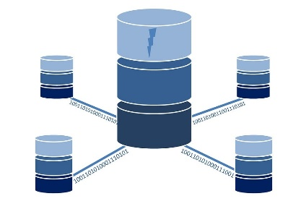



TOP 5 RAM STOCK
 | 16GB | 8GB | 32GB | 64GB | 4GB
STOCK | 50569 | 47784 | 33851 | 21086 | 21017
APPLE
 | 179826.97 | Mineral Black | 138537
Green | 175026.25 | 0 | 136032.41

TOP 5 RAM STOCK
APPLE
SALES,SOLD,AVAILABLE

 | ASUS | DELL | HP
TOP 3 SALES | 4071106.14 | 3996919.07 | 3802650.88
AVAILABLE STOCK | 25758 | 26661 | 42771

TOP 3 BRANDS SALES & CURRENT STOCK

 | BLACK | SILVER | BLUE
SALES | 4531335.73 | 3629992.12 | 1723651.18

TOP 3 COLOURS IN SALESWISE

